Hiearchy View
CLASS: HALL FIXTURE
combined digital dot matrix indicator with micro-push button on hairline Stainless Steel face plate adjacent to entrance |  | 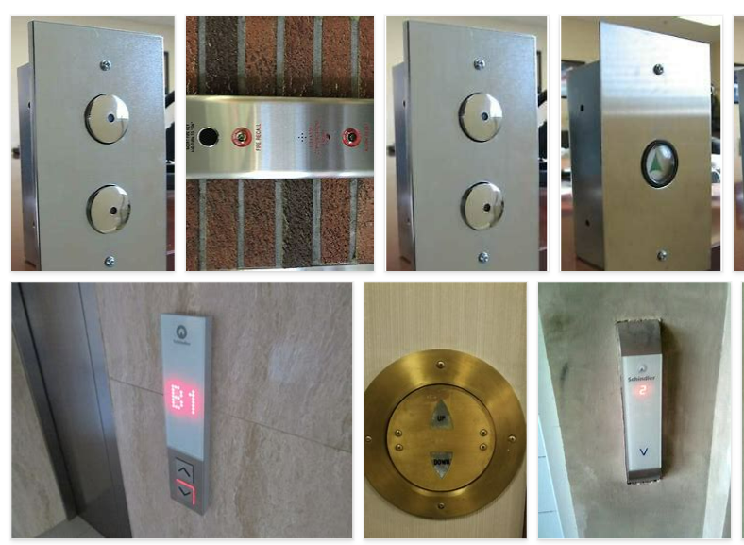
REMOVE | N

PROBLEM_DESC | CAUSE_DESC | REMEDY_DESC
BROKEN/DAMAGED
OTHER PROBLEM
OVERHEATING
POWER-ELEC
STOPPED/SLOWED/POOR OPS
VIBRATION
Grand Total

